14-15
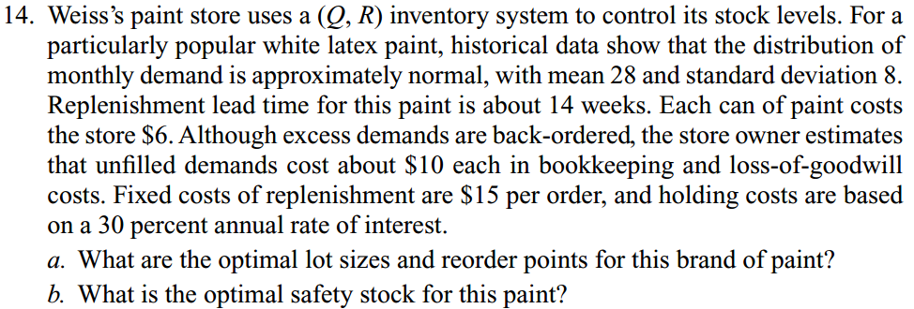
Metric | Value | Units | Metric | Value | Units
D~N(Mu) | 28 | [item/month] | Q* | 81 | [item/order]
D~N(sd) | 8 | [item/month] | R* | 124 | [items]
tau | 3.5 | [month/order] | S* | 26 | [items]
Item Cost | 6 | [$/unit]
Backordered Cost | 10 | [$/unit]
K | 15 | [$/order]
interest | 2.5% | [monthly]
Holding Cost | 0.15 | [$/item/month]
Mu_tau | 98 | [item/order]
sd_tau | 14.97 | [item/order]
Q_0 | 75 | [item/order]
F(R_0) | 0.95991 | NA
Z_0 | 1.75 | NA
R_0 | 124 | [item]
n(R_0) | 0.24201039978 | NA |  |  |  | assume 4 weeks per month
Q_1 | 81 | [item/order] |  |  |  | assume 48 weeks per year
F(R_1) | 0.95679768856 | NA
Z_1 | 1.72 | NA
R_1 | 124 | [item]
n(R_1) | 0.24201039978 | NA
Q_2 | 81 | [item/order]
S | 26 | [items]

Metric | Value | Units | Metric | Value | Units
alpha | 0.9 | NA | EOQ | 75 | [item/order]
Z|alpha=0.9 | 1.28 | NA | R*|alpha=0.9 | 117 | [item]
R*|alpha=0.9 | 117 | [item] | beta|alpha=.9 | 0.9905 | NA
EOQ | 75 | [item/order]
beta|alpha=.9 | 0.99047881826 | NA

Metric | Value | Units
Fill | 0.9 | NA
L(Z_0) | 0.50 | NA
Z_0 | -0.19 | NA
R_0 | 95 | [item]
n(R_0) | 7.4833147735 | NA
F(Z_0) | 0.42465 | NA
Q_1 | 89 | [item/order]

28 & 31
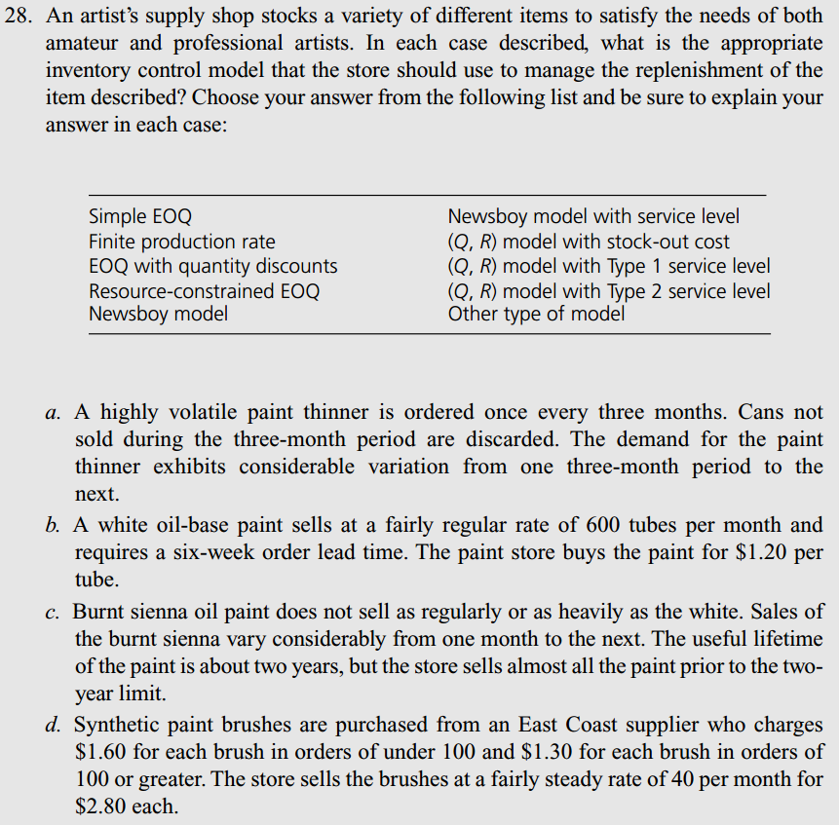
Situation | Model | Options | Situation | Model
A | Simple EOQ | Simple EOQ | A | Simple EOQ
B | Finite Production Rate | Finite Production Rate | B | Finite Production Rate
C | Resource-Constrained EOQ | EOQ with Quantitiy Discounts | C | Resource-Constrained EOQ
D | EOQ with Quantitiy Discounts | Resource-Constrained EOQ | D | EOQ with Quantitiy Discounts
 |  | Newsboy Model

Statement | Logical |  | Statement | Logical
A | FALSE |  | A | FALSE
B | TRUE |  | B | TRUE
C | TRUE |  | C | TRUE
E | FALSE |  | E | FALSE

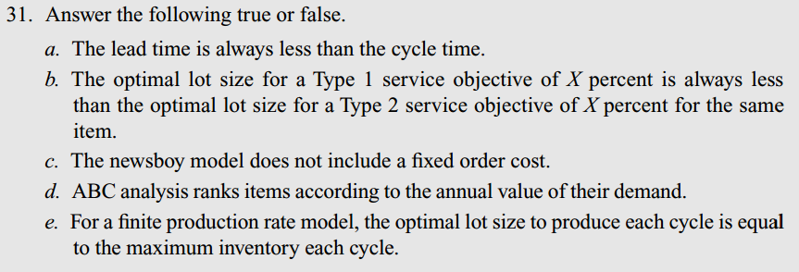

 |  |  |  |  | pg 322
 |  |  |  |  | A, B, C, E

29-30
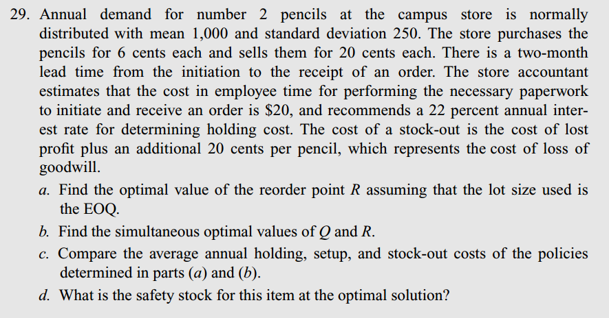
Metric | Value | Units | Metric | Value | Units
D~N(Mu) | 1000 | [item/year] | EOQ | 1741 | [item/order]
D~N(sd) | 250 | [item/year] | R|EOQ | 319 | [item]
cost_buy | 0.06 | [$/item] | Q*|p | 1786 | [item/order]
sell | 0.2 | [$/item] | R*|p | 318 | [item]
tau | 0.16666666667 | [year/order] | S | 151 | [item]
K | 20 | [$/order]
i_hold | 22% | [annual]
penalty cost | 0.34 | [$/item]
Mu_LT | 166.66666667 | [item/order]
sd_LT | 102.06207262 | [item/order]
EOQ | 1741 | [item/order]
F(Z) | 0.93241691004 | NA
Z | 1.49 | NA
R|EOQ | 319 | [item]
n(R_0) | 3.059820937 | NA
Q_1 | 1785 | [item/order]
F(Z_1) | 0.93068145887 | NA
Z_1 | 1.48 | NA
R_1 | 318 | [item]
n(R_1) | 3.1302437671 | NA
Q_2 | 1786 | [item/order]
F(Z_2) | 0.93064202807 | NA
Z_2 | 1.48 | NA
R_2 | 318 | [item]
S | 151 | [item]
alpha | 0.95 | NA | Metric | Value | Units
Beta | 0.95 | NA | EOQ | 1741 | [item/order]
EOQ | 1741 | [item/order] | R*|alpha | 334 | [item]
Z|alpha | 1.64 | NA | R|Beta | 94 | [item]
R|alpha | 334 | [item] | Q*|Beta | 1863 | [item/order]
n(R) | 87.038827978 | NA | R*|Beta | 86 | [item]
L(Z|Beta) | 0.85280286542 | NA
Z|Beta | -0.71 | NA
R|Beta | 94 | [item]
F(Z|Beta) | 0.23885
Q_1 | 1859 | [item/order]
n(R_1) | 92.944007252 | NA
L(Z_1) | 0.91066156967 | NA
Z_1 | -0.79 | NA
R_1 | 86 | [item]
F(Z_1) | 0.21476 | NA
Q_2 | 1863 | [item/order]
n(R_2) | 93.157990261 | NA
L(Z_2) | 0.91275816641 | NA
Z_2 | -0.79 | NA
R_2 | 86 | [item]

